EXP 10
 | EXPERIMENT 10

Cutting stock problem for finding optimal solution using solver
 |  | Pattern | 9 Inches | 8 inches | 7 Inches | 6 Inches | Waste |  | No of cuts
 |  | 1 | 2 | 0 | 0 | 0 | 342 |  | 171
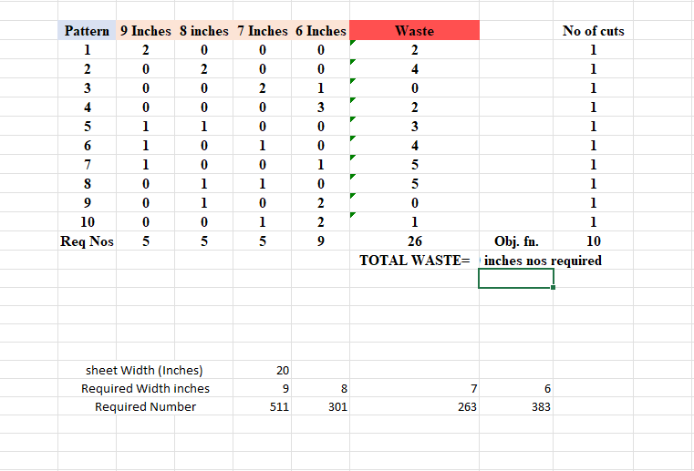
 |  | 2 | 0 | 2 | 0 | 0 | 4 |  | 1
 |  | 3 | 0 | 0 | 2 | 1 | 0 |  | 129
 |  | 4 | 0 | 0 | 0 | 3 | 0 |  | 0
 |  | 5 | 1 | 1 | 0 | 0 | 507 |  | 169
 |  | 6 | 1 | 0 | 1 | 0 | 0 |  | 0
 |  | 7 | 1 | 0 | 0 | 1 | 0 |  | 0
 |  | 8 | 0 | 1 | 1 | 0 | 20 |  | 4
 |  | 9 | 0 | 1 | 0 | 2 | 0 |  | 126
 |  | 10 | 0 | 0 | 1 | 2 | 1 |  | 1
 |  | Req Nos | 511 | 301 | 263 | 383 | 874 | Obj. fn. | 601
 |  |  |  |  |  |  | TOTAL WASTE= | Total 20 inches nos required

 |  | sheet Width (Inches) |  |  | 20
 |  | Required Width inches |  |  | 9 | 8 | 7 | 6
 |  | Required Number |  |  | 511 | 301 | 263 | 383

